1. Title Page
[Instacart Grocery Basket Analysis]

Project Name: Grocery Basket Analysis
Analyst Name: Aarthi Subramanian

Contents:
Population Flow
Consistency checks
Wrangling steps
Column derivations
Visualizations
Recommendations

2. Population Flow
Title page

Population flow

Exclusion flag
Condition: max_order <
Obervations to be removed:
Final total count of order_products_all:

Orders_products_combined
Orders_prods_merged
Orders_prods_all

Total: 32399487
Total:32,434,489
Total: 32399487

1.) The grey boxes in the first row of the population flow represent the original data sets as they were when you downloaded them. In the Total fields you need to add the count of the rows when you imported the data set into Jupyter.
2.) The second row of boxes (coloured) represents the data sets after you manipulated them, e.g., removed missing values and duplicates. In the Total fields you need to add the count of the rows after conducting these operations. This offers a visual oveview of how the data flows throughout the data consistency checks.
3.) The third row, where also the arrows are coloured, represents the merges you performed between the datasets. In the Total fields you need to add the count of the rows in the merged datasets, so that you end up with the final dataset (in the red box). Keep in mind the final dataset should be without exclusions (based on the exclusion flag).

3. Consistency checks
 |  |  |  | Title page
Consistency checks

Dataset | Missing values | Missing values treatment | Duplicates
orders | 206,209 - in "days_since_prior_order" | Impute the value with the mean | 0 rows removed
products | 16 - in "product_name" | Removed | 16 rows removed
orders_products_prior | n/a | n/a | n/a
customers | n/a | n/a | n/a
orders_products_all | n/a | n/a | n/a

4. Wrangling steps
 |  |  |  | Title page
Wrangling steps

Columns dropped | Columns renamed | Columns' type changed | Comment/Reason
"eval_set" |  |  | Unnecessary to analysis (Ex 4.4)
 | "order_dow" |  | Because "orders_day_of_week" was considered easier to interpret
 |  | "order_id" (int --> str) | Unnecessary to analysis (Ex 4.4)
 |  | "user_id" (int --> str) | Unnecessary to analysis (Ex 4.4)
 | "First Name" |  | Adjusted for consistency (Ex 4.9)
 | "Surnam" |  | Adjusted for consistency (Ex 4.9)
 | "Gender" |  | Adjusted for consistency (Ex 4.9)
 | "STATE" |  | Adjusted for consistency (Ex 4.9)
 | "Age" |  | Adjusted for consistency (Ex 4.9)
 | "fam_status" |  | Adjusted for consistency (Ex 4.9)
 | "_merge" |  | Original merge flag caused error in Ex 4.9 when customer data had to be merged with the orders_products data
 | "_merge" |  | Renamed to identify against the other merge flag (named merge_2)
 |  | "product_id" (int64 --> int32) | Save on memory
 |  | "aisle_id" (int64 --> int32) | Save on memory
 |  | "department_id" (int64 --> int32) | Save on memory
 |  | "order_id" (str --> int32) | Save on memory
 |  | "user_id" (str --> int32) | Save on memory
 |  | "order_number" (int64 --> int32) | Save on memory
 |  | "order_hour_of_day" (int64 --> int32) | Save on memory
 |  | "max_order" (int64 --> int32) | Save on memory
 |  | "user_id" (int64-->int32) | In customer data to merge with ords_prods_merge data
 |  | "age" (int64 --> int8) | Save on memory
 |  | "n_dependants" (int64 --> int8 | Save on memory
 |  | "income" (int64 --> int32) | save on memory

5. Column derivations
 |  |  |  |  | Title page

Column derivations and aggregations

In this tab you should add tables below that the frequences of flags/label variables that you produced after deriving them. NB: don't do this for continuous variables, only for flags.
Dataset | New column | Column/s it was derived from | Conditions
ords_prods_merge | price_range | prices* | <= 5 'Low-range product' >5 & <= 15 'Mid-range product' >15 'High-range product' | * prices data was checked for weird numbers and unreasonably high grocery prices were clipped at 25$.
ords_prods_merge | busiest_days | order_day_of_week | 2 highest values flaged as 'Busiest day' 2 lowest as 'Least busy' rest as 'Regular busy'
ords_prods_merge | busiest_period_of_day | order_hour_of_day | Most orders' for hours: 9,10,11,12,13,14,15,16 'Fewest orders' for hours: 23,0,1,2,3,4,5,6 rest as 'Average orders'
ords_prods_merge | avg_price_user | prices & user_id | ['user_id']&['prices'] mean
ords_prods_merge | spender_type | avg_price_user | avg_price_user > 10 'High spender' avg_price_user < 10 'Low spender'
ords_prods_merge | med_days_since_prior_order | user_id & days_since_prior_order | ['user_id']&['days_since_prior_order'] median
ords_prods_merge | frequency_flag | med_days_since_prior_order | med_days_since_prior_order > 20 'Non-frequent customer' med_days_since_prior_order <= 20 & >10 'Regular customer' med_days_since_prior_order <= 10'Frequent customer'
ord_prod_cust | region | state | geographical assignment of regions 1-4 (https://simple.wikipedia.org/wiki/List_of_regions_of_the_United_States)
ord_prod_cust_high-activity.pkl | low_activity | max_order | max_order' < 5
profiles | age_category | age | 10 year bins
profiles | income_category | income | 50k bins
profiles | family_flag | fam_status & n_dependants | divorced/widowed' or 'single - 'alone adult' 'married' & 'n_dependants' == 1 - 'two adults' 'married' & 'n_dependants' >1 - 'two adults with kids' 'living with parents and siblings' - 'dependent adult'

6. Visualizations
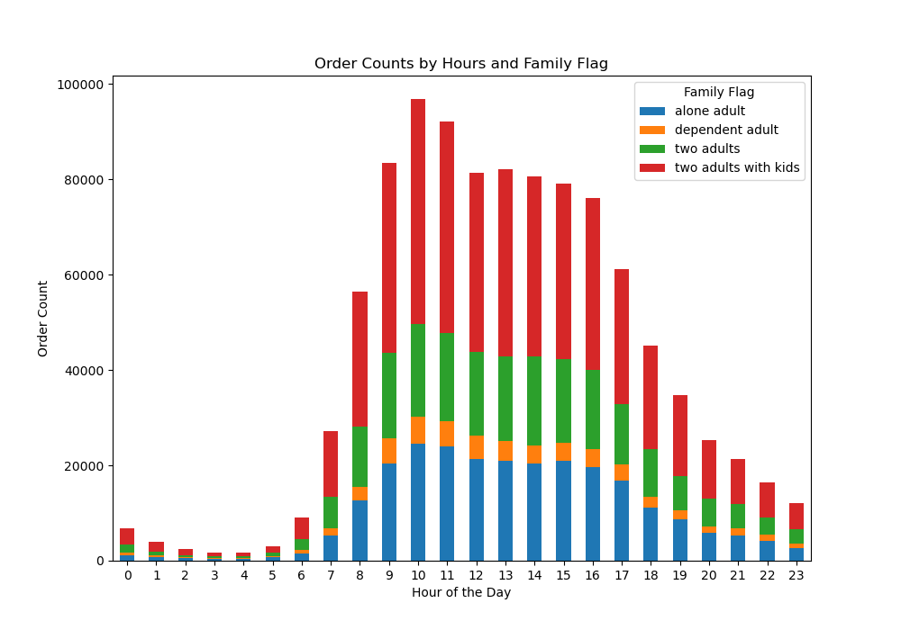
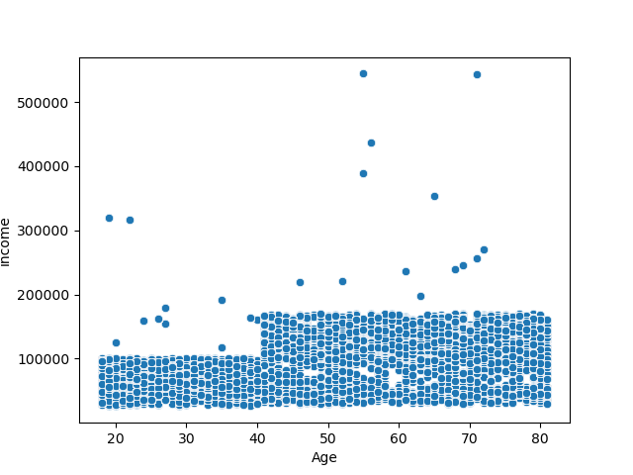
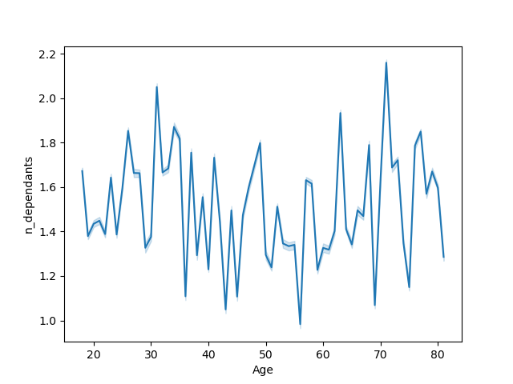
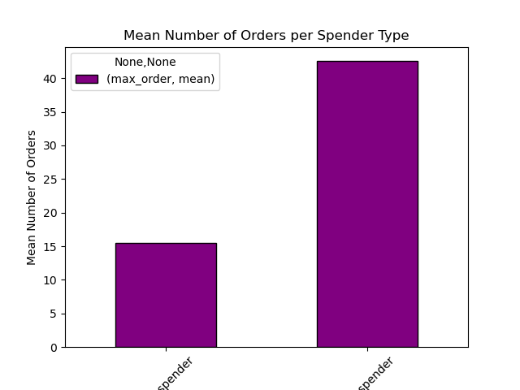
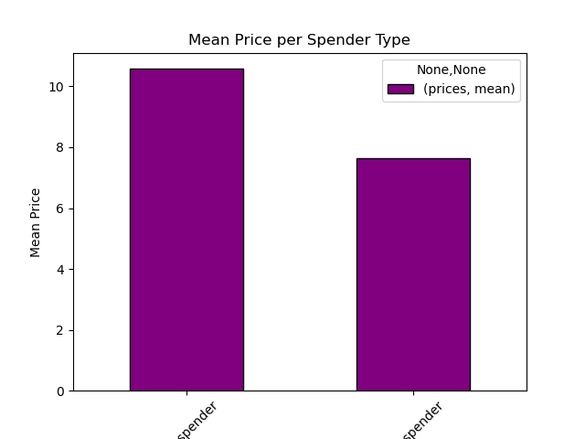
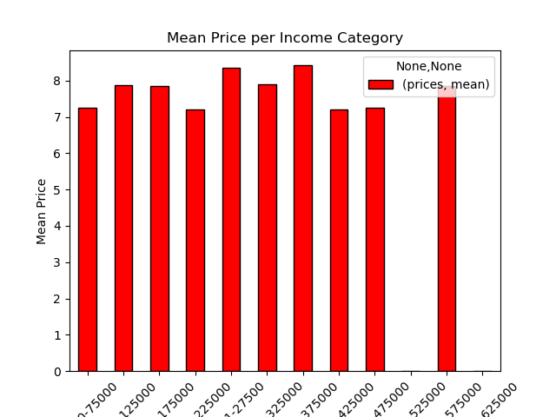
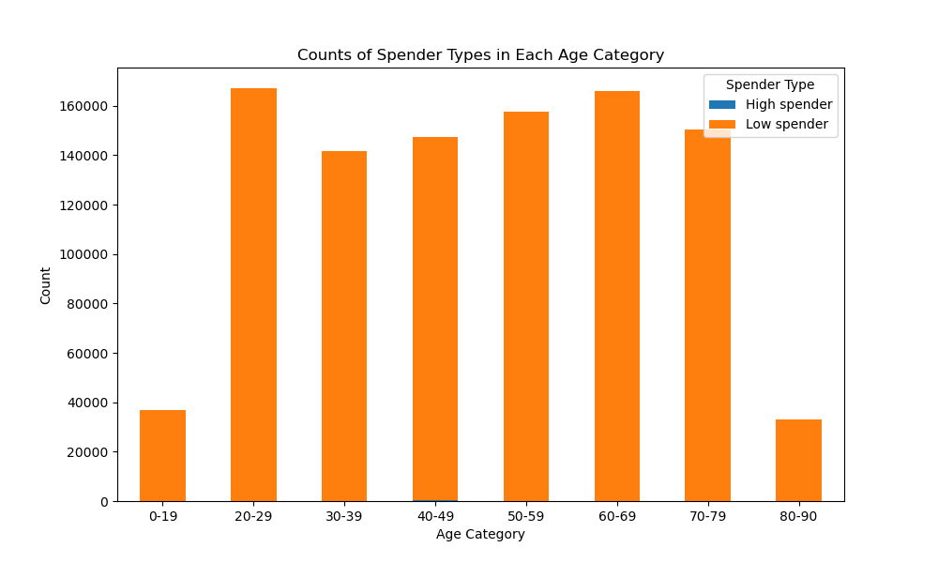
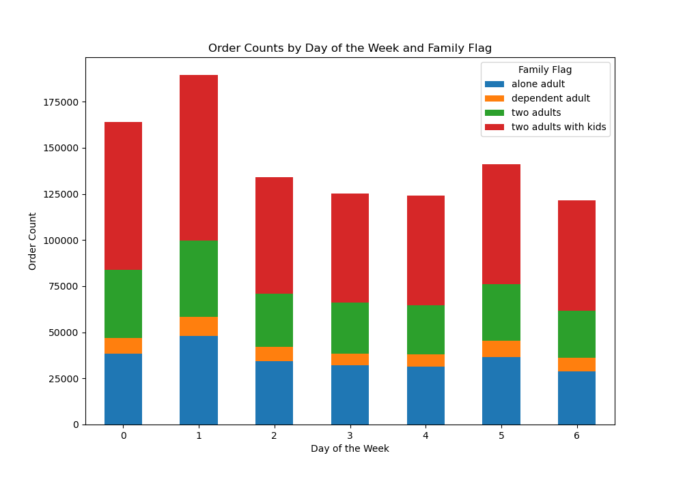

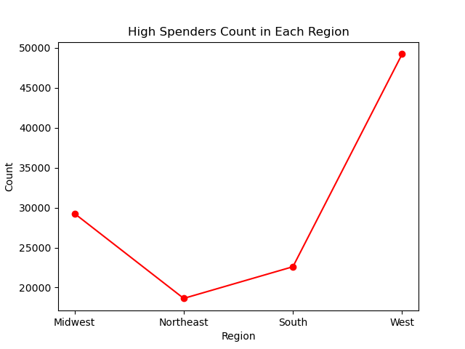
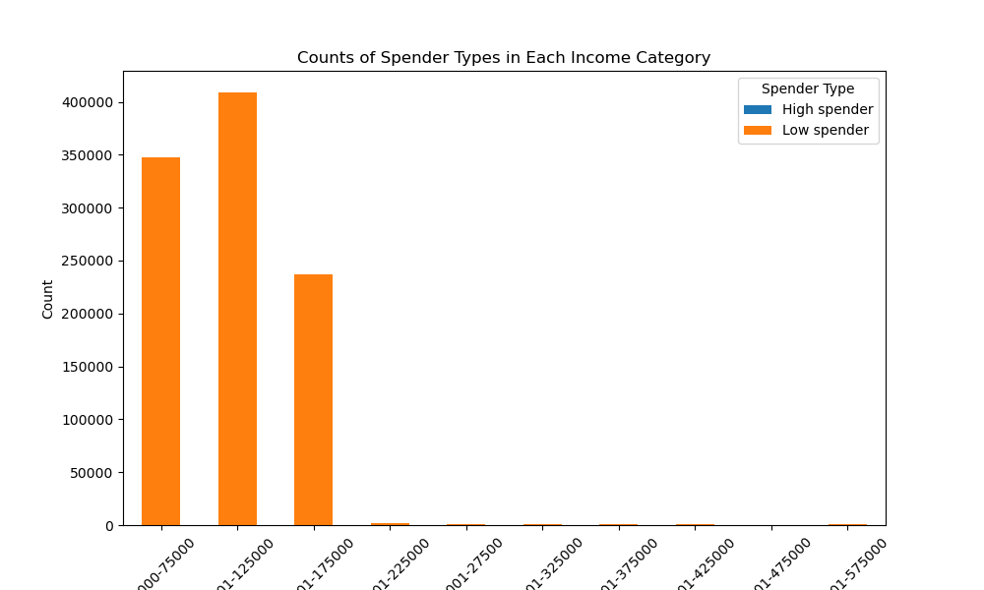
Title page

Visualisations
Visualizations

In this tab you should include all the visualtions from Exercises 4.9 and 4.10, alongside the questions from the project brief that they answer. Include any commentary on the relationship between different variables.

Key Question: "The sales team needs to know what the busiest days of the week and hours of the day are (i.e., the days and times with the most orders) in order to schedule ads at times when there are fewer orders".
Bar chart: Most orders are placed on Saturday and Sunday (days 0 and 1), while there are fewer orders made on weekdays. Midweek is the period with the least orders (days 3 and 4).
Histogram: This histogram looks left skewed and it has peak at certain hours in noon to early evening. And then gradually orders reduced upto night time. THe orders are low in early morning and in midnight.
Key Question: "The sales team needs to know what the busiest days of the week and hours of the day are (i.e., the days and times with the most orders) in order to schedule ads at times when there are fewer orders".
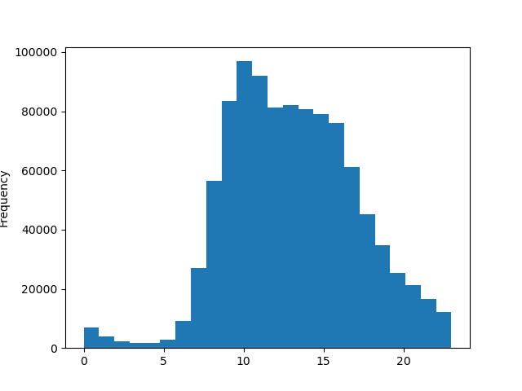
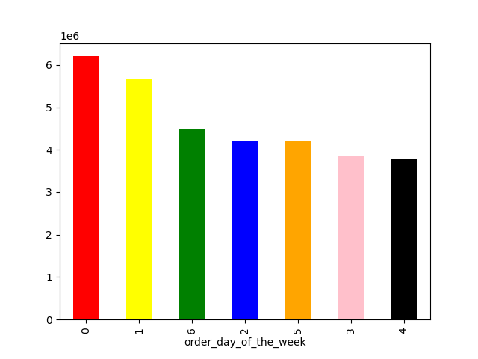

Key Question: "They also want to know whether there are particular times of the day when people spend the most money, as this might inform the type of products they advertise at these times".
Line graph: Shows the average prices of products sold during the different hours of the day., the average is highest during late-night/early-morning orders, peaking at 4am to 5am.
Noting previous graphs, it appears more orders occur during the middle of the day, but the average price per product sold is higher in late night and early morning hours.
Key Question: "They also want to know whether there are particular times of the day when people spend the most money, as this might inform the type of products they advertise at these times".
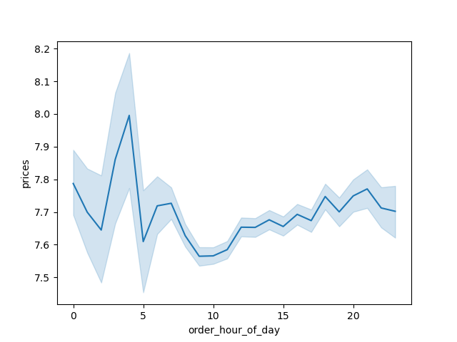

Key Question: "Are there certain types of products that are more popular than others? The marketing and sales teams want to know which departments have the highest frequency of product orders."
We can see that the highest prices and highest average prices are achieved by department 12 and the lowest by department 19. The average number of orders vary between the departments but overall it differs only slightly. the highest number of orders was observed in departments 10 and 18, the lowest in 5, 8, 17 & 21.
Key Question: "Are there certain types of products that are more popular than others? The marketing and sales teams want to know which departments have the highest frequency of product orders."
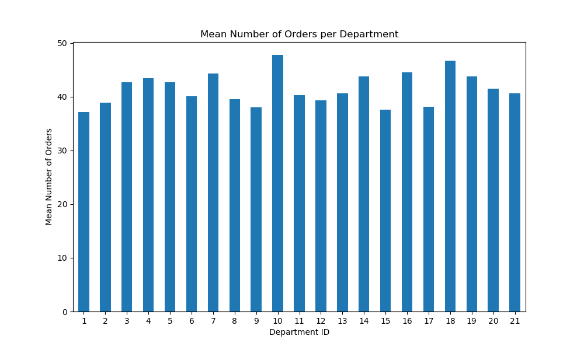

Key Question: "What’s the distribution among users in regards to their brand loyalty (i.e., how often do they return to Instacart)"?
Loyality status in different family status groups
Loyality status in different age groups
Key Question: "What’s the distribution among users in regards to their brand loyalty (i.e., how often do they return to Instacart)"?
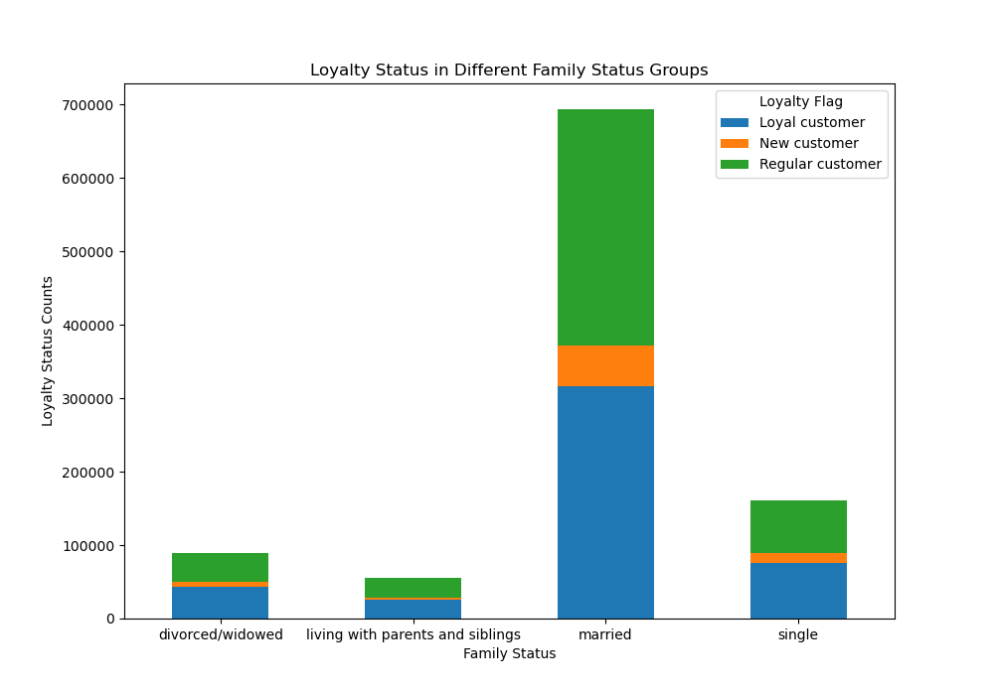
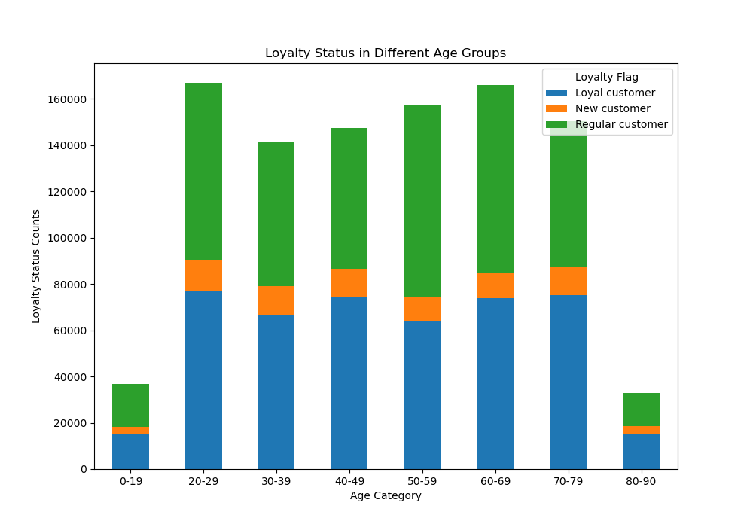

Key Question: "Are there differences in ordering habits based on a customer's loyalty status"?
Note: The graphs show that the average order total and average product price is close to equal between each grouping of customer's. It would seem loyalty status is not an indicator of specific ordering habits, although further analysis into other ordering habits may be needed.
Key Question: "Are there differences in ordering habits based on a customer's loyalty status"?
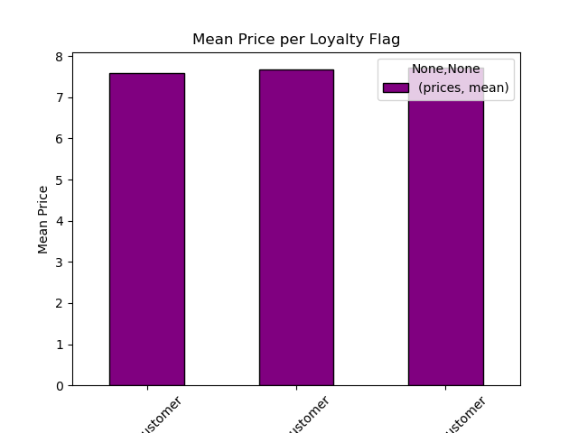

Key Question: "Are there differences in ordering habits based on a customer's region"?
Note: The charts shows orders remain sam across regions.
Key Question: "Are there differences in ordering habits based on a customer's region"?
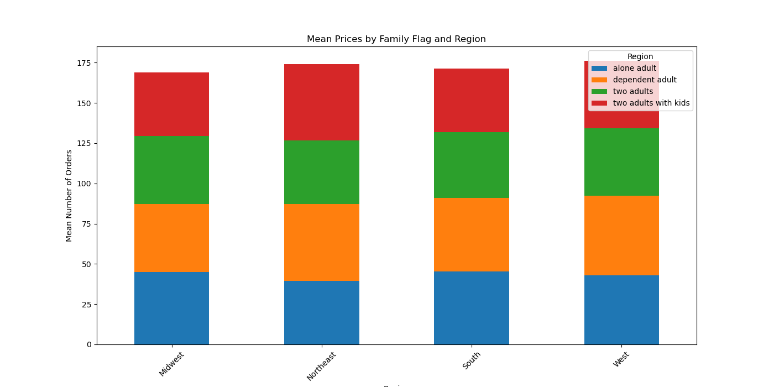

Key Question: "What different classifications does the demographic information suggest?
The pie charts show the segmentation of instacart's customer-base by 3 different profiling variables
Income: The income groups were based on distributions of household incomes in the U.S. during 2022 .
Most of instacart's customers fit into the low and middle income categories.
Age: The age group categories are based typical socially accepted age groups and age ranges typical of major life changes such as college, marriage,married , retirement, loss of independence. Orders placed are remain same in all age groups.
Key Question: : "What different classifications does the demographic information suggest?
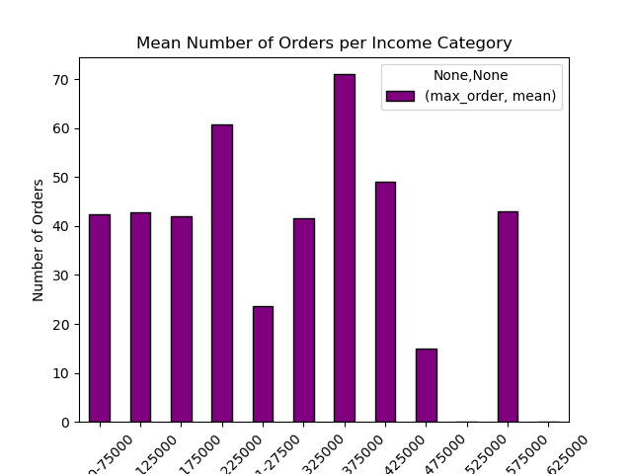
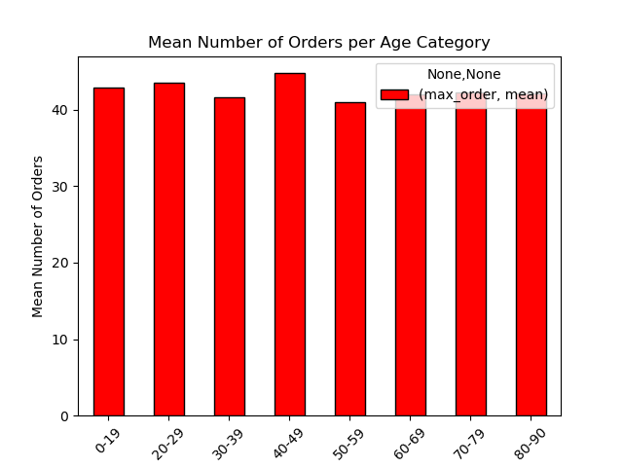
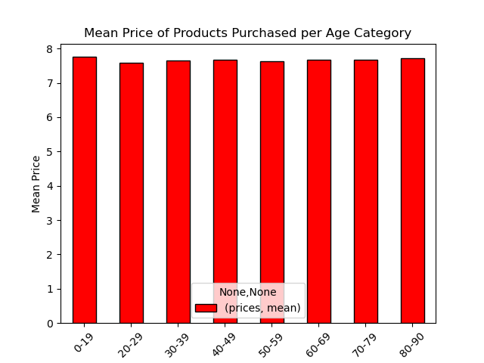

Key Question: "What differences can you find in ordering habits of different customer profiles? consider the price of orders, frequency of orders, products customers are ordering, and anything else you can think of".
All visual insights also included for possible further exploration and discussion.
Key Question: "What differences can you find in ordering habits of different customer profiles? consider the price of orders, frequency of orders, products customers are ordering, and anything else you can think of".

7.Recommendation
 |  | Title page

Recommendations

In this tab you should include any recommendations you would made to Instcart in terms of their marketing strategy based on the questions posed in the brief. Every key question has been covered in the Tasks of the Exercises - here you need to add an item - a visualisation or table/crosstable that is showing the answer in the data, acompanied by a comment from you. Please, list the questions below and add the answer underneath.

Question | Answer
1. The days and times with the most orders | Saturday and Sunday are the days with most orders, people tend to have more time for shopping during the weekend.
2. Particular times of the day when people spend the most money | Highest ordering happens between 9 and 16.
3. Price range groupings | Mid-range prices are definitely dominating among the purchased products. High-range prices products are a very small fraction of all products.
4. Which departments have the highest frequency of product orders | 10 & 18
5. Distribution among users in regards to their brand loyalty | The company has mostly 'Regular customers', but there is a big portion of 'Loyal customers'.
6. Are there differences in ordering habits based on a customer’s loyalty status? | Proportionally, all type of customers order the same fractions of High-, Mid- and Low-range products.
7. Are there differences in ordering habits based on a customer’s region? | Mean number of orders is very similar across the country, but high spenders dominate in West.
8. Is there a connection between age and family status in terms of ordering habits? | Nor age, neither family status doesn't influece the ordering habits.
9. What different classifications does the demographic information suggest? Age? Income? Certain types of goods? Family status? | People with highest income order much more than the rest.
10. What differences can you find in ordering habits of different customer profiles? Consider the price of orders, the frequency of orders, the products customers are ordering, and anything else you can think of. | On average, high spenders spend just a bit more than low spenders, and while high spenders are a very small fraction of all buyers, the total revenue from high spenders is very low when compared to the revenue from low spenders. Since high spenders are such a small fraction, it may be worth to invest a bit into add campagin targeted at them to increase sales in this group. As we know, the most high spenders reside in the west of the country, therefore it may be beneficial to target specifically high spenders in this region. There are not many customers with high income, and as we know people with the highest income order the most. Therefore, it is worth to target the high income group to improve sales in existing customers and to gain the new ones.

